Sheet1
 | approach | nature of feature | algorithms |  | parameters and metrics | additional local references | comments | references
Facial verification across age 2006 | To reduce the impact of artifacts like intensity, posture to normalize old and new images | Frontal/half face for comparison and Simulating 10 different lighting conditions | eigenspaces for shape and texture for face position normalization | Bayesian Framework | using 'mean intensity curve' to decide to use half face or full face |  | error rate increases with increase in 'age gap' | https://ieeexplore.ieee.org/document/1467478
 |  |  |  |  | Conditional probabilities of 'current instace' given 'intra-personal space'
 | Age difference classifier |  | compute the difference image by subtracting the more recent image from the older image
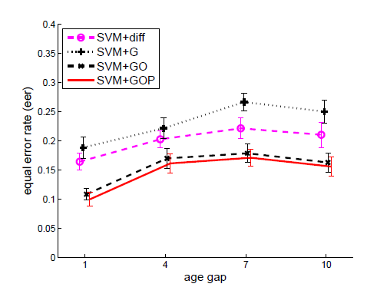
Facial verification across age using discriminative methods 2010 | Using illumination, intensity invariant and time invariant | Gradient orientation pyramid | GO |  | correctly rejected extra-personal pairs |  | The increase in error rate slows down with increase in age gap | https://ieeexplore.ieee.org/document/5353681
 |  |  | SVM+diff |  | correctly accepted intra-personal pairs
 |  |  | SVM+G
 |  |  | SVM+GO
 |  |  | SVM+GOP |  |  |  |  |  | `
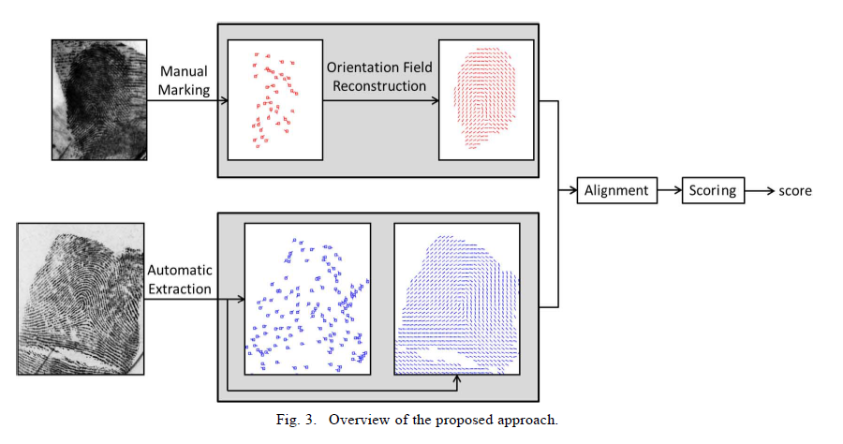
Latent Fingerprint matching using decriptor based hough transform | Using descriptor based Hough transforms for fingerprint alignment/registration | Minutiae Descriptors Minutia Cylinder Code (MCC) | measures similarity between fingerprints by considering both minutiae and orientation field information |  |  |  | Minutiae points are manually marked on latent fingerprints | https://ieeexplore.ieee.org/abstract/document/6327659

Fingerprint Spoof Detection: Temporal Analysis of Image Sequence | Convoluted neural networks(MobileNet-v1) with LSTM (Long short-term memory) | Spatial features at local patches | CNN-LSTM model |  | this fingerprint reader reads in 8fps collecting 'color variation with time' data also. | 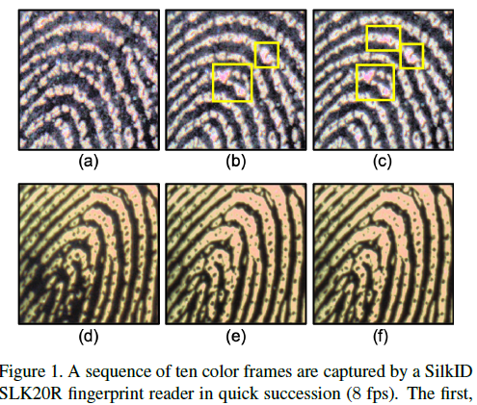 | The preprocessing highlights the intricate skin imperfections as features and compare with previous detections(using LSTM). | https://ieeexplore.ieee.org/document/9304921

iris recognition performance in children a longitudinal study | Matching score based | pupil dilation | Matching score based |  | include time elapsed as one of the factors for computing 'Matching score' |  | The result is that the minute variations/changes in pupil dilation measurements will contribute 29-45 times more than the age difference. Statistically insignificant in other words | https://ieeexplore.ieee.org/abstract/document/9321488
 |  | time difference
 |  | Enrollment Age
 |  | Delta dilation

